Instructions
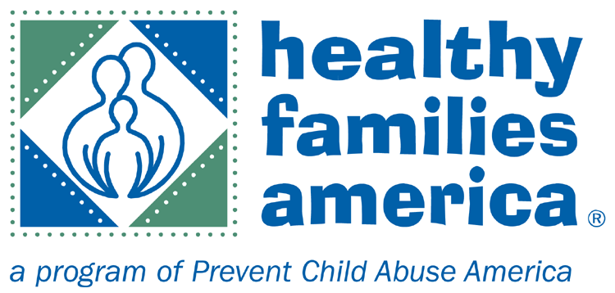
7-5.B&C: Depression Screenings
1. DO NOT enter any data in any of the blue cells, as doing so will erase required formulas. Enter data ONLY in yellow cells.
2. Proceed to the HV1 tab, and enter the basic information, including; home visitor name, supervisor name, current date, screening tool used, and minimum elevated despression score (according to your screening tool).
Starting with row 14, you will enter each family for that home visitor on each row.
3. The first thing you will track is the prenatal depression screen. Enter each family, using the mother's ID, and enrollment date, and prenatal screen date in columns A-C.
4. Next, note their prenatal screening score, whether that score indicated a positive or negative screen, and if a referral was made as a follow up in columns D-F
5. Staying in the same row for each family, as you move right across the sheet, now you will track your postnatal depression screens.
6. For each family, enter the target child's date of birth in column K.
7. The next column (L) will indicate the due date for the postnatal depression screen, which is 3 months after the target child's date of birth.
8. You will track your postnatal depression screen in the same way you tracked the prenatal screen. Enter the family's screening score, whether it was positive or negative, and if a referral was made in columns O-Q.
9. It is good practice and strongly encouraged (although not required in the HFA standards, except for a 3-rating) to screen mothers when pregnant with and after giving birth to subsequent children, and particularly important when previous depression screens were elevated. We have added columns on the far right for you to track screens administered for subsequent births if you choose to do so. (Columns S-U)

You will notice:
If a screen was marked postive, but not referred, the "No" in the referral column will be red.
If the prenatal or postnatal screen was not completed within the correct timeframe, a "No" will also display in red.
There is an "additional comments" column on the far right. Please let us know of any exceptions for families, or explain in this space why screens or referrals we not completed properly.

Any questions? Contact Amy: arussell@preventchildabuse.org or 860-249-9899

VERSION DATE: 6/24/2016-Modified by NPC per HFO request

